Sheet1
Member Photo | Member Name | Address | Course/Dept ID | Phone no. | Email
 | yash tukaram shinde | A/p - Kadlas tal-Sangola , Dist- solapur | Computer | 7397855211 | vivekingole11@gmail.com
 | Karuna Ankush Ghadage | A/p - Kadlas tal-Sangola , Dist- solapur | Computer | 9096881815 | vivekingole12@gmail.com
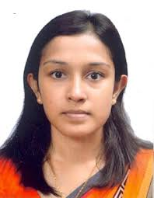 | Archana Mahadev Tamboli | A/p - Kadlas tal-Sangola , Dist- solapur | Computer | 9296457898 | Archanatamboli13@gmail.com

